Sheet1
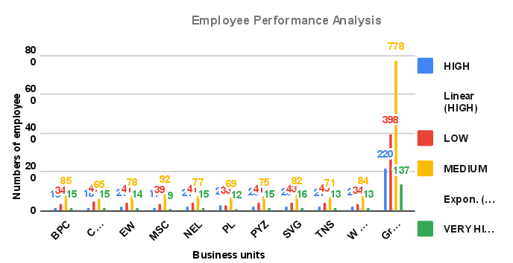
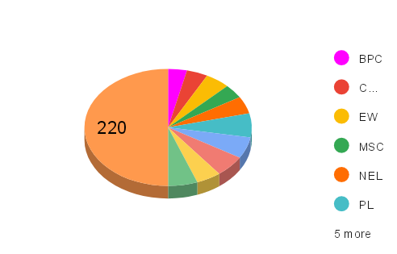
BusinessUnit | HIGH | LOW | MEDIUM | VERY HIGH | Grand Total
BPC | 16 | 34 | 85 | 15 | 150
CCDR | 18 | 47 | 65 | 15 | 145
EW | 21 | 41 | 78 | 14 | 154
MSC | 17 | 39 | 92 | 9 | 157
NEL | 21 | 41 | 77 | 15 | 154
PL | 29 | 33 | 69 | 12 | 143
PYZ | 26 | 41 | 75 | 15 | 157
SVG | 26 | 43 | 82 | 16 | 167
TNS | 21 | 45 | 71 | 13 | 150
WBL | 25 | 34 | 84 | 13 | 156
Grand Total | 220 | 398 | 778 | 137 | 1533

Sheet3
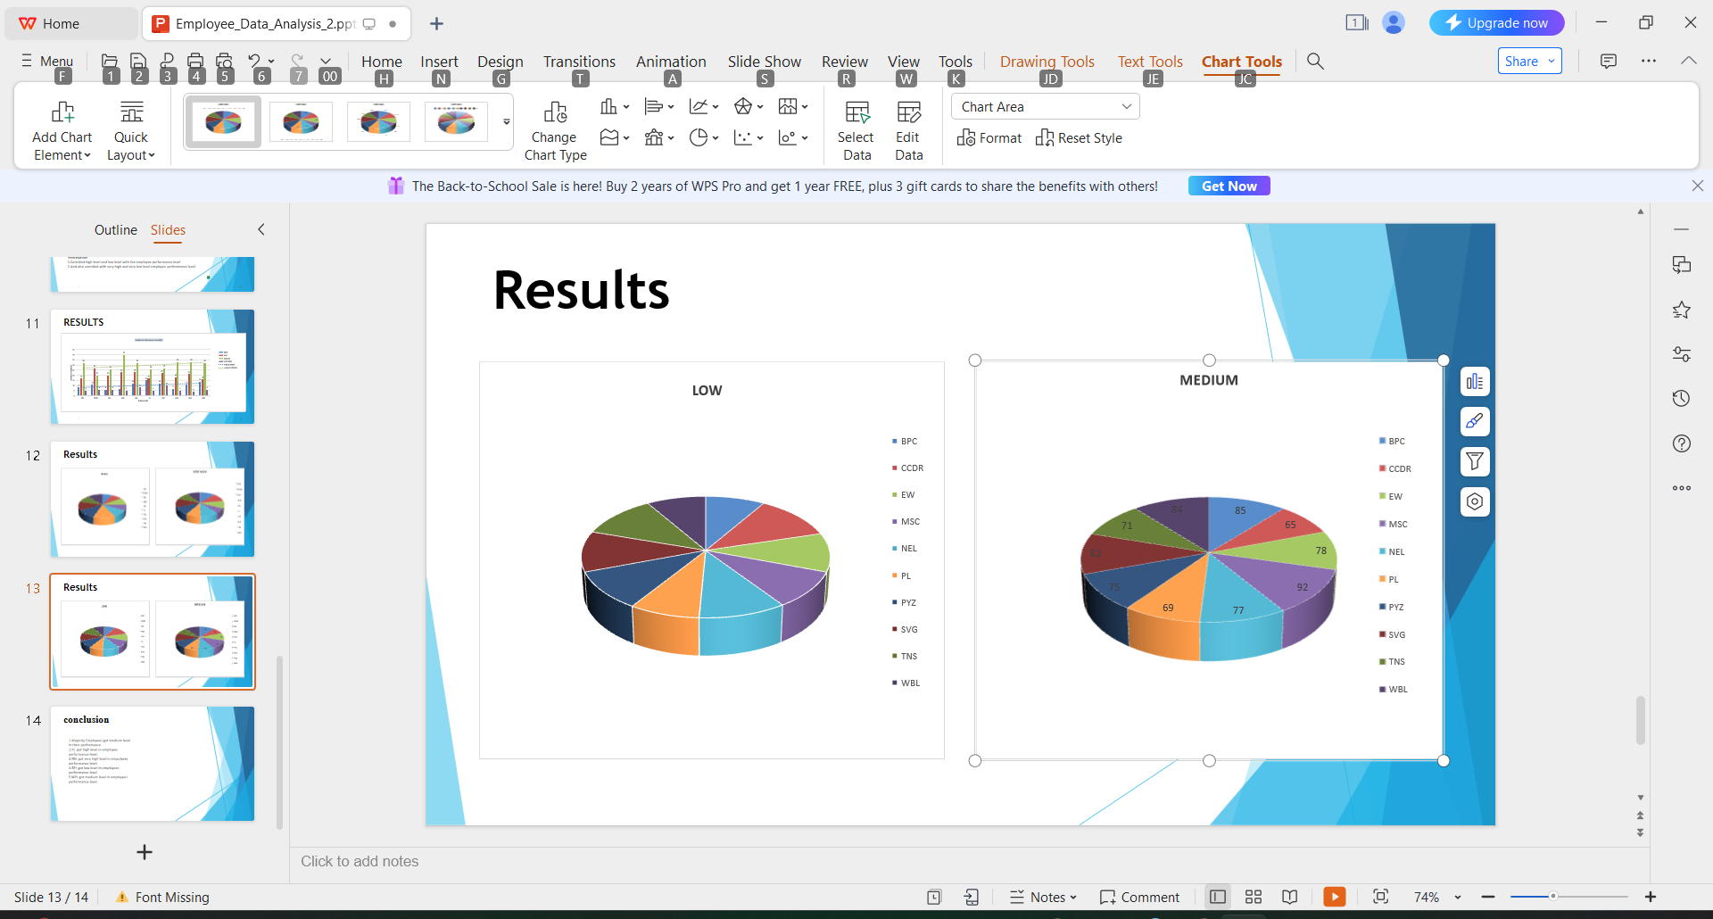
 | LOW
BPC | 34
CCDR | 47
EW | 41
MSC | 39
NEL | 41
PL | 33
PYZ | 41
SVG | 43
TNS | 45
WBL | 34
BusinessUnit | LOW
BPC | 34
CCDR | 47
EW | 41
MSC | 39
NEL | 41
PL | 33
PYZ | 41
SVG | 43
TNS | 45
WBL | 34

 | MEDIUM
BPC | 85
CCDR | 65
EW | 78
MSC | 92
NEL | 77
PL | 69
PYZ | 75
SVG | 82
TNS | 71
WBL | 84
BusinessUnit | MEDIUM
BPC | 85
CCDR | 65
EW | 78
MSC | 92
NEL | 77
PL | 69
PYZ | 75
SVG | 82
TNS | 71
WBL | 84

 | VERY HIGH
BPC | 15
CCDR | 15
EW | 14
MSC | 9
NEL | 15
PL | 12
PYZ | 15
SVG | 16
TNS | 13
WBL | 13
BusinessUnit | VERY HIGH
BPC | 15
CCDR | 15
EW | 14
MSC | 9
NEL | 15
PL | 12
PYZ | 15
SVG | 16
TNS | 13
WBL | 13

